From Fusion 360
SubAssy | Category | Item | Thumbnail | Part Name | Part Description | Make/Buy | QTY | provided | provision notes | Comment | Vendor | Vendor URL
OPTION 1 - WOBBLEX
ZR_V2.6 | Buy | 1 | 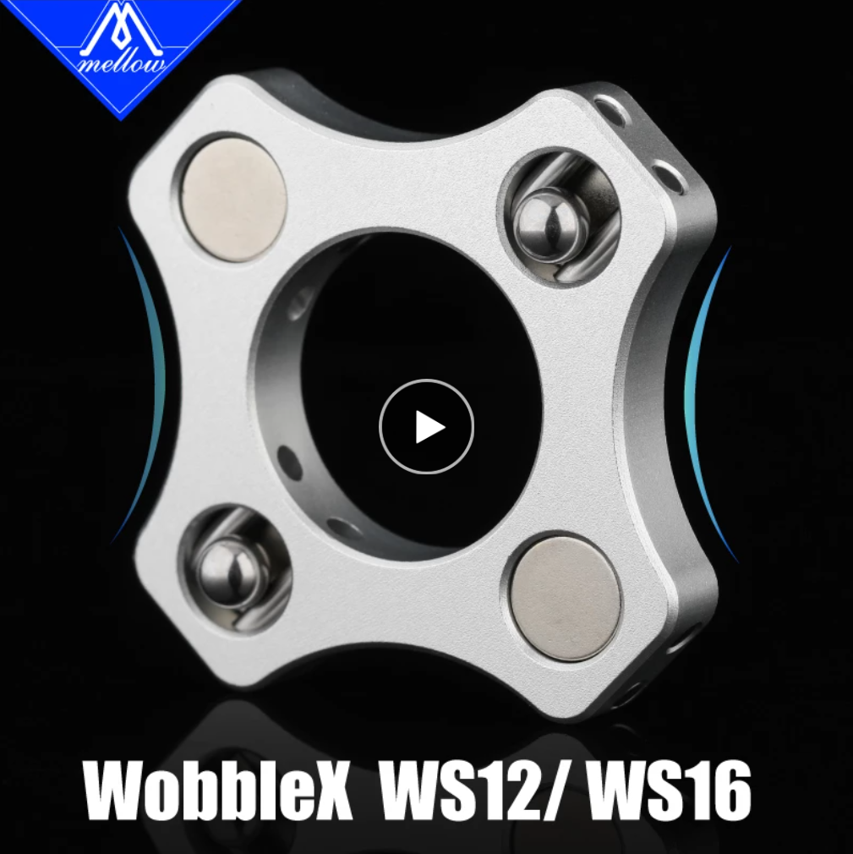 | WobbleX WS12 Isolators | WobbleX WS12 for SFU12 12mm ball screws | Buy | 3 | 0 | From Mellow 3D | This is the best option. While allowing a thinner dimesion to maximize Z travel distance, these metal pieces will not bend under the bed weight and enclosure higher temperatures. This kit contains all pins and ball bearing for the printed parts of your build. | Mellow 3D Official Store | https://s.click.aliexpress.com/e/_DBAJHXh
OPTION 2 - Printed Wobble Rings
ZR_V2.6 | Make | 2 | 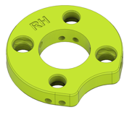 | ZR2.6_WobbleRing_Printed_RH | Printed Wobble Ring Right | Make | 1 | 0 |  | Make sure to use a material that is not prone to creep. ABS-CF and ASA-CF are good candidate. Avoid Nylon/PA. | HevORT | https://github.com/MirageC79/HevORT/tree/master/files/STL/ZR_V2.6
ZR_V2.6 | Make | 3 | 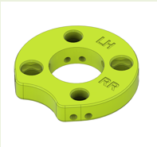 | ZR2.6_WobbleRing_Printed_LH_RR | Printed Wobble Ring Left and Rear | Make | 2 | 0 |  | Make sure to use a material that is not prone to creep. ABS-CF and ASA-CF are good candidate. Avoid Nylon/PA. This part will fit for Left hand ball screw and rear ball screw. | HevORT | https://github.com/MirageC79/HevORT/tree/master/files/STL/ZR_V2.6
ZR_V2.6 | Hardware | 4 | 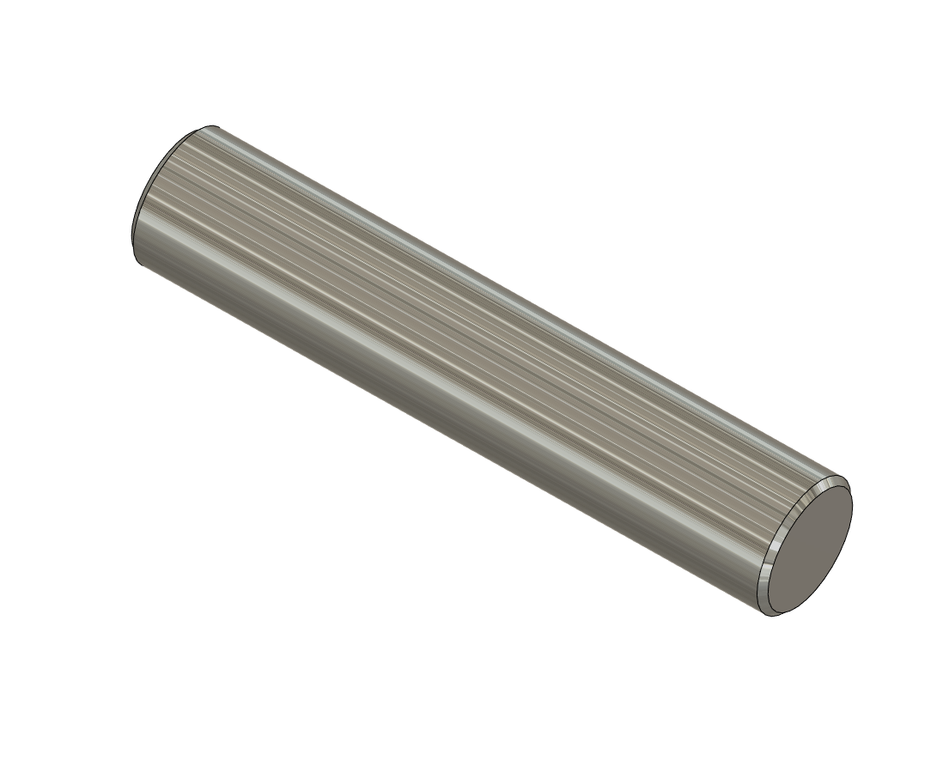 | Dowell Pin 3mm Dia X 15mm long | Dowell Pin 3mm Dia X 15mm long | Buy | 24 | 0 |  | Tool steel is better than stainless. Much more resistant to wear. | AliExpres | https://s.click.aliexpress.com/e/_DmKB2wj
ZR_V2.6 | Hardware | 5 | 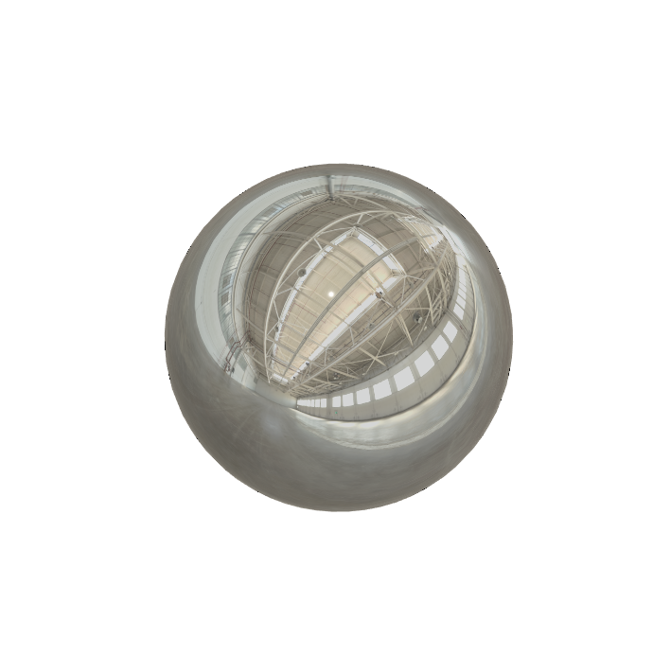 | Ball Bearing 6mm | Ball Bearing | Buy | 12 | 0 |  | High carbon steel | AliExpres | https://s.click.aliexpress.com/e/_DFhdrQB
ZR_V2.6 | Hardware | 6 | 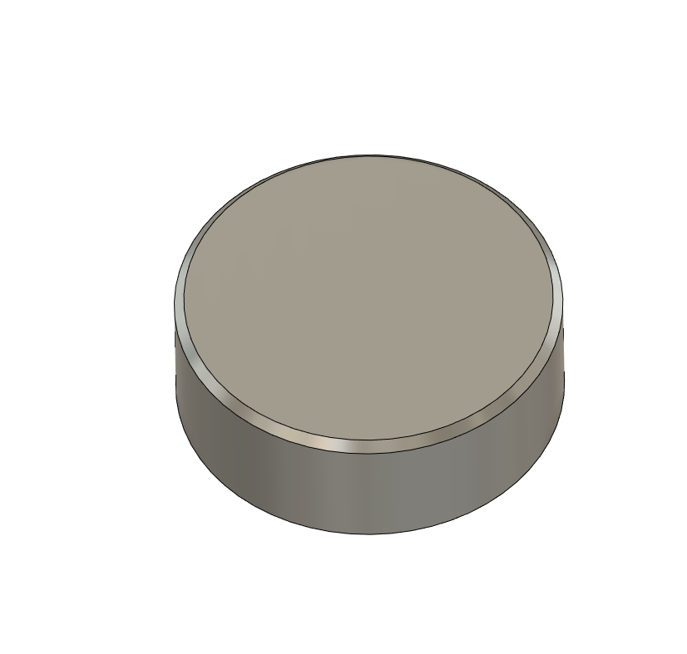 | Magnet, 8mm dia X 3mm thick | Magnet, 8mm dia X 3mm thick | Buy | 12 | 0 |  | Rare Earth Magnets N35 | AliExpres | https://s.click.aliexpress.com/e/_DlKZKZ1
REGULAR PARTS - Items identified with ZR_V2.5 and ZR_V2.6 are common between the two version. They can be reused in case of upgrading from 2.5. Watch for comments in case of QTY increase
ZR_V2.5 ZR_V2.6 | Buy | 7 |  | BedSquare | 2020 Extrusion | Buy | 1 | 0 |  | See required Dimension as per Frame Calculator https://github.com/MirageC79/HevORT/tree/master/docs/assets/references/frame
ZR_V2.5 ZR_V2.6 | Buy | 8 |  | BedSpring_20mm | 20mm Spring | Buy | 4 | 4 | provided | Commonly available (same springs as most printers)
ZR_V2.5 ZR_V2.6 | Buy | 9 |  | SFU1204-450 With Nut | BAll Screw with Nut | Buy | 3 | 0 |  | BK10 and BF10 machined end required. BK10 and BF10 blocks ARE NOT required. Length 450mm fits Z axis of 340mm. *Nut cylindrical portion should have a diameter of 22mm Length determined by Frame Calculator: https://github.com/MirageC79/HevORT/tree/master/docs/assets/references/frame | AliExpress | https://s.click.aliexpress.com/e/_DdCsRNX
ZR_V2.5 ZR_V2.6 | Buy | 10 |  | Ball Bearing 608RS | Bearing 608RS or 608ZZ | Buy | 3 | 3 | provided |  | AliExpress | https://s.click.aliexpress.com/e/_DC2F1d9
ZR_V2.5 ZR_V2.6 | Buy | 11 |  | Bearing_5200-2RS | Double Angular Contact Bearing | Buy | 3 | 3 | provided |  | AliExpress | https://s.click.aliexpress.com/e/_DDCKfSX
ZR_V2.5 ZR_V2.6 | Buy | 12 |  | Ruland_57445K444_CLAMPING SHAFT COLLAR (MCL-10-F) | Shaft Collar, 10mm ID | Buy | 3 | 3 | provided |  | Ruland | https://www.ruland.com/mcl-10-f.html
ZR_V2.5 ZR_V2.6 | Buy | 13 |  | Coupler D20L25-5.0-8.0 | Coupler, Spider - 5mm to 8mm | Buy | 3 | 3 | provided |  | AliExpress | https://s.click.aliexpress.com/e/_DlGaJ2X
ZR_V2.5 ZR_V2.6 | Buy | 14 |  | MGN12H_150MM | MGN12 Rail with H Block | Buy | 3 | 0
ZR_V2.5 ZR_V2.6 | Buy | 15 |  | MGN12H_Rail Assy | MGN12H Rail - For Z | Buy | 3 | 0 |  | See required Dimension as per Frame Calculator https://github.com/MirageC79/HevORT/tree/master/docs/assets/references/frame
ZR_V2.5 ZR_V2.6 | Buy | 16 |  | BedPlate | MIC6 Aluminum 6mm thickness | Buy | 1 | 0 |  | See required Dimension as per Frame Calculator https://github.com/MirageC79/HevORT/tree/master/docs/assets/references/frame |  | Mic 6® a registered trademark of Arconic Alca 5™ a registered trademark of PCP Aluminum Alpase K100-S® is a registered trademark of TST, Inc (Flatness not equal) Vista Metals ATP 5™ is a registered trademark of Vista Metals Corp Alimex ACP 5080™ is a registered trademark of Alimex, Germany. Formodal 030™ is a registered trademark of Bikar Metal in Germany. Thanks to Steven Kleinert for the info.
ZR_V2.5 ZR_V2.6 | Buy | 17 |  | POS8_RodEnd | RodEnd, POS08 | Buy | 3 | 5 | provided | Note: You may want to buy a few extra if ordering from AliExpress as level of precision of the bearing can vary. You can also puch the brass liner slightly to correct excessive play. | AliExpres | https://s.click.aliexpress.com/e/_DBMc6uJ
ZR_V2.5 ZR_V2.6 | Buy | 18 |  | NEMA17 1.8 degree Stepper Motors 60 mm* | Stepper Motor - NEMA17X60mm | Buy | 3 | 0 |  | *It is recommended to use 60mm 1.8 degree motors to avoid the bed falling down due to backdriving |  | FL60STH45-2008AF-20
ZR_V2.5 ZR_V2.6 | Hardware | 19 |  | M3_Nut_94150A325 | Nut, Hex - M3 | Buy | 12 | 12 | 304 stainless
ZR_V2.5 ZR_V2.6 | Hardware | 20 |  | M4_Nut_94150A335 | Nut, Hex - M4 | Buy | 9 + 3* | 12 | 304 stainless | * ZR_V2.5 was using 3 M4 nuts per ball screw. 3 Additional Required for ZR_V2.6
ZR_V2.5 ZR_V2.6 | Hardware | 21 |  | M8X1.25_HexNut_90593A007 | Nut, Hex - M8X1.25 | Buy | 6 | 6 | 304 stainless
ZR_V2.5 ZR_V2.6 | Hardware | 22 |  | M5X2020_T-Nut_91239A224 | Nut, T-Slot - M5 for 2020 profile | Buy | 26 | 26 | carbon steel | Any type is ok, make sure to have a few roll in (drop in) T-Nut under hand
ZR_V2.5 ZR_V2.6 | Hardware | 23 |  | M3X3030_TSlot_Nut | Nut, TSlot - M3X3030 | Buy | 24 | 24 | carbon steel Extras provided see BOM_Extras | NOTE: Qty 24 based on Z Print size at 340. Add Qty3 for every additional 5cm of Z axis over 340mm.
ZR_V2.5 ZR_V2.6 | Hardware | 24 |  | M5X3030_TSlot_Nut | Nut, TSlot - M5X3030 | Buy | 6 | 6 | carbon steel | Any type is ok, make sure to have a few roll in (drop in) T-Nut under hand
ZR_V2.5 ZR_V2.6 | Hardware | 25 |  | M6_TSlot_Nut | Nut, T-Slot - M6 for 3030 profile | Buy | 15 + 6* | 21 | carbon steel | Any type is ok, make sure to have a few roll in (drop in) T-Nut under hand * ZR_V2.5 was using 15. 6 Additional are required for ZR_V2.6
ZR_V2.5 ZR_V2.6 | Hardware | 26 |  | M5X10_ButtonHeadScrew_97763A820 | Screw, ButtonHead - M5X10mm | Buy | 26 | 26 | 304 stainless
ZR_V2.5 ZR_V2.6 | Hardware | 27 |  | M5X12_ButtonHeadScrew_91239A228 | Screw, ButtonHead - M5X12mm | Buy | 6+3* | 9 | 304 stainless | * ZR_V2.5 was using 6. 3 Additional are required for ZR_V2.6 to lock the 5200 bearings down.
ZR_V2.5 ZR_V2.6 | Hardware | 28 |  | M6X12_ButtonHeadScrew_92095A227 | Screw, ButtonHead - M6X14mm | Buy | 16 + 9* | 25 | 304 stainless | * ZR_V2.5 was using 16. 9 Additional are required for ZR_V2.6
ZR_V2.5 ZR_V2.6 | Hardware | 29 |  | M3X10_CapScrew_92290A115 | Screw, Cap - M3X10mm | Buy | 50 | 50 | 304 stainless
ZR_V2.5 ZR_V2.6 | Hardware | 30 |  | M3X12_CapScrew_92290A117 | Screw, Cap - M3X12mm | Buy | 12 | 12 | 304 stainless
ZR_V2.5 ZR_V2.6 | Hardware | 31 |  | M3X8_CapScrew_92290A113 | Screw, Cap - M3X8mm | Buy | 12 | 12 | 304 stainless
ZR_V2.6 | Hardware | 32 |  | M4X16_CapScrew_90348A015 | Screw, Cap - M4X14mm | Buy | 9 | 9 | 304 stainless
ZR_V2.5 ZR_V2.6 | Hardware | 33 |  | M8X35_CapScrew_90605A257 | Screw, Cap - M8X35 | Buy | 1* | 3 | 304 stainless | *You can use Qty 3 X M8X35 on this version.
ZR_V2.5 ZR_V2.6 | Hardware | 34 |  | M8X30_CapScrew_91290A434 | Screw, CapScrew - M8X30 | Buy | 2* | 3 | 304 stainless | *You can use Qty 3 X M8X35 on this version.
ZR_V2.5 ZR_V2.6 | Hardware | 35 |  | M4X40_FlatHead_93395A277 | Screw, FlatHead - M4X40mm | Buy | 4 | 4 | 304 stainless
ZR_V2.6 | Make | 36 | 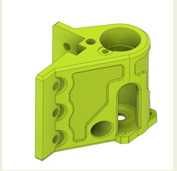 | ZR_V2.6_MotorMount_FL | Motor Mount Front Left | Make | 1* | 0 |  | *ZR_V2.5 part equivalent is fully interchangeable and can be used in lieu of this ZR_V2.6 version. | HevORT | https://github.com/MirageC79/HevORT/tree/master/files/STL/ZR_V2.6
ZR_V2.6 | Make | 37 | 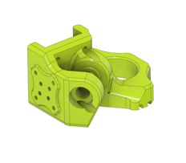 | ZR2.6_SliderMount_FL | Slider Mount Front Left | Make | 1 | 0 |  | Not interchangeable with ZR_V2.5 | HevORT | https://github.com/MirageC79/HevORT/tree/master/files/STL/ZR_V2.6
ZR_V2.6 | Make | 38 | 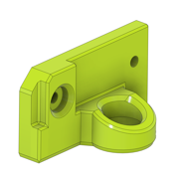 | ZR2.6_BearingTopMount_FL | Bearing Top Mount Front Left | Make | 1* | 0 |  | *ZR_V2.5 part equivalent is fully interchangeable and can be used in lieu of this ZR_V2.6 version. | HevORT | https://github.com/MirageC79/HevORT/tree/master/files/STL/ZR_V2.6
ZR_V2.6 | Make | 39 | 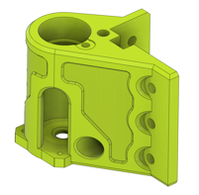 | ZR_V2.6_MotorMount_FR | Motor Mount Front Right | Make | 1* | 0 |  | *ZR_V2.5 part equivalent is fully interchangeable and can be used in lieu of this ZR_V2.6 version. | HevORT | https://github.com/MirageC79/HevORT/tree/master/files/STL/ZR_V2.6
ZR_V2.6 | Make | 40 | 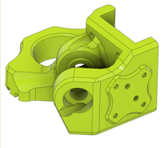 | ZR2.6_SliderMount_FR | Slider Mount Front Right | Make | 1 | 0 |  | Not interchangeable with ZR_V2.5 | HevORT | https://github.com/MirageC79/HevORT/tree/master/files/STL/ZR_V2.6
ZR_V2.6 | Make | 41 | 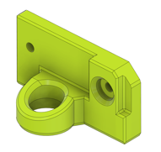 | ZR2.6_BearingTopMount_FR | Bearing Top Mount Front Right | Make | 1* | 0 |  | *ZR_V2.5 part equivalent is fully interchangeable and can be used in lieu of this ZR_V2.6 version. | HevORT | https://github.com/MirageC79/HevORT/tree/master/files/STL/ZR_V2.6
ZR_V2.6 | Make | 42 |  | ZR_V2.6_MotorMount_RR | Motor Mount Rear | Make | 1* | 0 |  | *ZR_V2.5 part equivalent is fully interchangeable and can be used in lieu of this ZR_V2.6 version. | HevORT | https://github.com/MirageC79/HevORT/tree/master/files/STL/ZR_V2.6
ZR_V2.6 | Make | 43 | 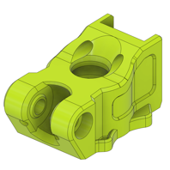 | ZR2.6_Slider_Mount_RR | Slider Mount Rear | Make | 1 | 0 |  | Not interchangeable with ZR_V2.5 | HevORT | https://github.com/MirageC79/HevORT/tree/master/files/STL/ZR_V2.6
ZR_V2.6 | Make | 44 | 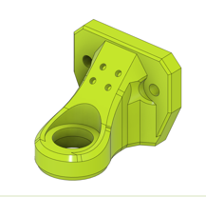 | ZR2.6_BearingTopMount_RR | Bearing Top Mount Rear | Make | 1* | 0 |  | *ZR_V2.5 part equivalent is fully interchangeable and can be used in lieu of this ZR_V2.6 version. | HevORT | https://github.com/MirageC79/HevORT/tree/master/files/STL/ZR_V2.6
ZR_V2.6 | Make | 45 | 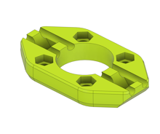 | WobbleRing_SFU1204_FL_LowerDisc | Wobble Ring & WobbleX lower disc. Adapter for 12mm Ball screw SFU12 | Make | 3 | 0 |  |  | HevORT | https://github.com/MirageC79/HevORT/tree/master/files/STL/ZR_V2.6
ZR_V2.5 ZR_V2.6 | Make | 46 |  | BedPlateMount_RL_Body_V2 | BedPlateMount_RL | Make | 1 | 0 |  | Same as ZR_V2.5 | HevORT | https://github.com/MirageC79/HevORT/tree/master/files/STL/ZR_V2.6
ZR_V2.5 ZR_V2.6 | Make | 47 |  | BedPlateMount_RR_Body_V2 | BedPlateMount_RR | Make | 1 | 0 |  | Same as ZR_V2.5 | HevORT | https://github.com/MirageC79/HevORT/tree/master/files/STL/ZR_V2.6
ZR_V2.5 ZR_V2.6 | Make | 48 |  | ZR_BedPlateMount_FR_Body_V2 | ZR_BedMountFR_Body | Make | 1 | 0 |  | Same as ZR_V2.5 | HevORT | https://github.com/MirageC79/HevORT/tree/master/files/STL/ZR_V2.6
ZR_V2.5 ZR_V2.6 | Make | 49 |  | ZR_BedPlate_InnerBraquet_FL | ZR_BedPlate_InnerBraquet_FL | Make | 1 | 0 |  | Same as ZR_V2.5 | HevORT | https://github.com/MirageC79/HevORT/tree/master/files/STL/ZR_V2.6
ZR_V2.5 ZR_V2.6 | Make | 50 |  | ZR_BedPlate_InnerBraquet_FR_Body | ZR_BedPlate_InnerBraquet_FR | Make | 1 | 0 |  | Same as ZR_V2.5 | HevORT | https://github.com/MirageC79/HevORT/tree/master/files/STL/ZR_V2.6
ZR_V2.5 ZR_V2.6 | Make | 51 |  | ZR_BedPlateMount_FL_Body_V2 | ZR_BedPlateMount_FL | Make | 1 | 0 |  | Same as ZR_V2.5 | HevORT | https://github.com/MirageC79/HevORT/tree/master/files/STL/ZR_V2.6
ZR_V2.5 ZR_V2.6 | Make | 52 |  | ZR_BedRailSupport_RR_Body | ZR_BedRailSupport_RR | Make | 1 | 0 |  | Same as ZR_V2.5 | HevORT | https://github.com/MirageC79/HevORT/tree/master/files/STL/ZR_V2.6
ZR_V2.5 ZR_V2.6 | Make | 53 |  | HevORT LOGO_Small_Grey | HevORT Logo, Small | Make | 3 | 0 |  | Best with resin printer | HevORT | https://github.com/MirageC79/HevORT/tree/master/files/STL/ZR_V2.6
ZR_V2.5 ZR_V2.6 | Make | 55 |  | ZR Logo Small | ZR Logo Small | Make | 2 | 0 |  | Best with resin printer | HevORT | https://github.com/MirageC79/HevORT/tree/master/files/STL/ZR_V2.6

